Sheet1

Order Sheet No. 3597
152, San Yuan Li, Guangzhou, China - 510000 Phone: +86 17613745501; +880 1875196424; Hotline: +880 9638710016. E-mail: cbmm.quiry@gmail.com, https://www.facebook.com/cbmm20 |  | China-Bangla (中-猛) Mega Mall
 |  |  | 152, San Yuan Li, Guangzhou, China - 510000 Phone: +86 17613745501; +880 1875196424; Hotline: +880 9638710016. E-mail: info@cbmm.com.bd, https://www.cbmm.com.bd
Picture | Name | Type | Size | Qty | N.W | G.W | U/Price | Shipping | Freight/P/U | Com | Total
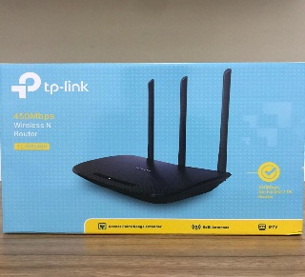 | TP-Link TL-WR940N 450mbps wireless wifi router | Router |  | 60.00 | 0.43 | 0.56 | ¥152.00 | ৳ 1,300.00 | ৳ 728.00 |  | ¥9,120.00
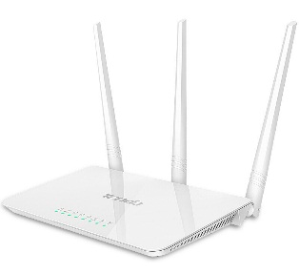 | Tenda original F3 wired Router 300mbps multi language firmware support. | Router |  | 60.00 | 0.41 | 0.54 | ¥77.80 | ৳ 1,300.00 | ৳ 702.00 |  | ¥4,668.00
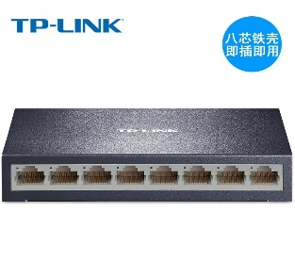 | TP-Link 8 port 100m switch network line splitter shunt TL-SF1008D | HUB/Switch |  | 100.00 | 0.45 | 0.51 | ¥92.30 | ৳ 1,300.00 | ৳ 663.00 |  | ¥9,230.00

 |  |  |  |  |  |  | ৳ 322.10 |  |  |  | ৳ 23,018.00

